Form 14b - SPP Summary
FDPP Form 14b - Supplemental Procurement Plan or Procurement List, Summary

SUPPLEMENTAL PROCUREMENT PLAN

REGION: | VII | CALENDAR YEAR: | 2023
PROVINCE: | CEBU
CITY/MUNICIPALITY: | CITY OF BOGO

Summary by Office

Department | Head of Department / Office | Total Cost
ACCOUNTING | ATTY. JOSE NEIL D. LUMONGSOD | NONE
ADMINISTRATOR | ANTONIETO M. SUICO | NONE
AGRICULTURE | ALICIA S. LEPATAN | NONE
ASSESSOR | MARGIE M. OLIAMOT | NONE
AUDITOR | ANNABELE Q. BIHAG | NONE
BAC | CARLO FERNANDO G. LOGARTA | NONE
BAO | ALEX CATADMAN | NONE
BFP | SINSP. MYLAH SELMA | NONE
BJMP | JINSP. NEAL M. ROSAROSO | NONE
BOGO LITES | ENGR. ELENITA Y. URSAL | NONE
BTMO | ROGEL L. LAYSON | NONE
BUDGET | DANTE J. MAYOR | NONE
CBBPAT | RIZALITO M. RECONGCO | NONE
CBSAA | ROCHELE BINOYA | NONE
CCR | SHEILA F. ORCULLO | NONE
CENRO | WENCESLAO A. CAÑETE JR. | NONE
CHO | DR. RENE GALO M. PALAY | NONE
COMELEC | ATTY. RICHLEIGH CONSULTA | NONE
COOPERATIVE | NELSON O. NAVARES | NONE
CPDO | CARLO FERNANDO G. LOGARTA | NONE
CSWD | AMABELLE A. MAYOR | NONE
DEP ED | LEAH P. NOVERAS | NONE
DILG | MAE B. DURA | NONE
ENGINEERING | ENGR. RAMIRO A. LEPON | NONE
GSO | SAMSON M. LEPITEN | NONE
HRMO | SLAVSKY S. YBAÑEZ | NONE
IAO | LEONILA L. CATADMAN | NONE
IT | ROGER A. TOÑACAO | NONE
LDRRMO | REX LEOBEN A. YGOT | NONE
LEGAL | ATTY. AHMAD CLAY C. ESCOLAR | NONE
LEIPO | LUCIA M. NAILON | NONE
LIBRARY | SHEILA F. ORCULLO | NONE
LIGA | EMMA U. JAGDON | NONE
MARKET | ROMEO B. URSAL | NONE
MAYOR | ATTY. CARLO JOSE A. MARTINEZ | NONE
PAROLE | LAARNI RAMOS | NONE
PIO | JEANY EVE YNOT | NONE
PNP | PLTCOL. JOAN GUIA A. ARNOCO | NONE
POLAMBATO PORT | ROY P. ARANAS | NONE
POPCOM | AMABELLE A. MAYOR | NONE
PROSECUTOR | IVY TEJANO MORALDE | NONE
RERE | MARIA CIELO A. MARTINEZ | NONE
ROD | ATTY. REYNALDO P. MAYOL | NONE
SP COUNCILOR | MARIA CIELO A. MARTINEZ | NONE
SP SECRETARY | MAITA T. LABRADO | NONE
TERMINAL | GELITO LEQUIN | NONE
TOURISM | JOCELYN C. TAN | NONE
TREASURER | JULIO S. URSONAL JR. | NONE
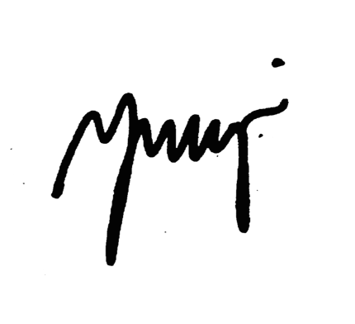
VICE MAYOR | MARIA CIELO A. MARTINEZ | NONE
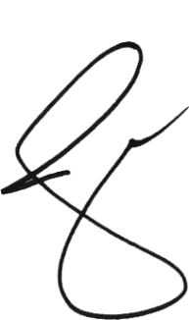

 | Prepared By: | Approved By:

 | NEHAMA F. ANCAJAS | ATTY. CARLO JOSE A. MARTINEZ
 | Head, BAC Secretariat | City Mayor

